Hats Visor Inv
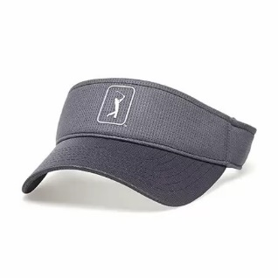
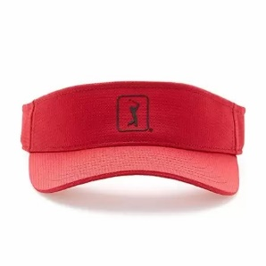
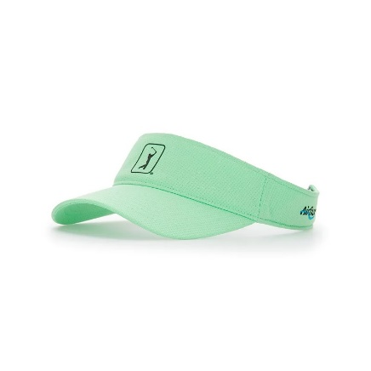
Item # | UPC | Description | Color | Case Pack |  | Total Cases
AVASB020 | 084971655834 | PGA TOUR MESH Visor | Quiet Shade | 48 | 670 | 13
AVASB020 | 084971655889 | PGA TOUR MESH Visor | Chili Pepper | 48 | 462 | 12
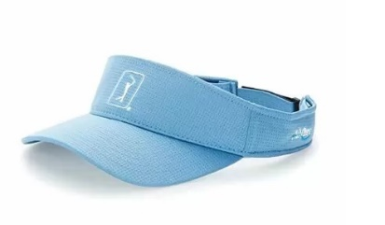
AVASB020 | 084971655858 | PGA TOUR MESH Visor | Peacoat | 48 | 384 | 7
AVASB020 | 084971655841 | PGA TOUR MESH Visor | Bright White | 48 | 2,016 | 41
AVASB020 | 085142398161 | PGA TOUR MESH Visor | All Aboard | 48 | 1,680 | 35
AVASB020 | 085142398154 | PGA TOUR MESH Visor | Spring Bouqet | 48 | 1,296 | 27
AVASB020 | 084971566827 | PGA TOUR MESH Visor | Caviar | 48 | 48 | 1
AVASB020 | 085142398185 | PGA TOUR MESH Visor | Nasturtium | 48 | 1,536 | 32
 |  |  | Total Cases |  |  | 168
 |  |  | Total Hats |  |  | 8,092

